Spectrum Infos
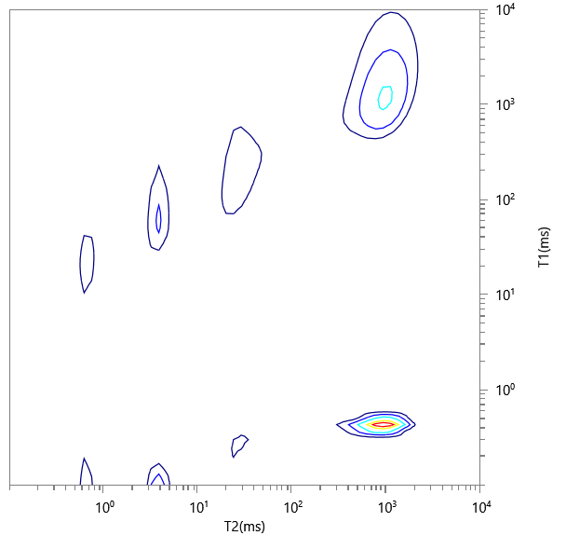
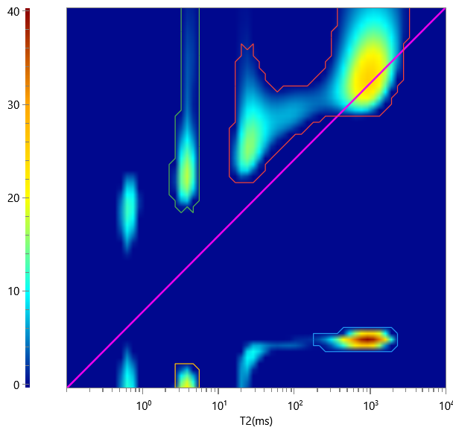
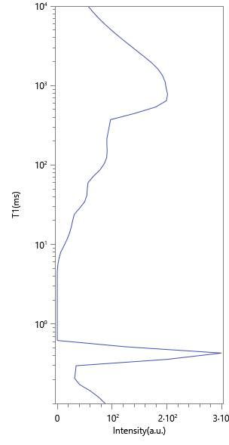
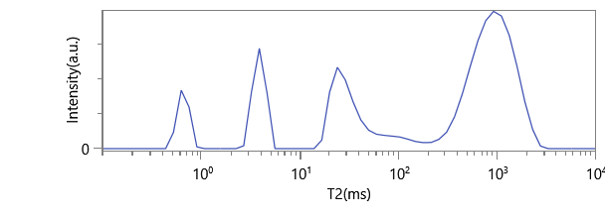
No. | ∫∫ | Content | HI | Saturation
1 | 577.226 | 0.133 | 1 | 0.133
2 | 3152.795 | 0.725 | 1 | 0.725
3 | 134.884 | 0.031 | 1 | 0.031
4 | 483.943 | 0.111 | 1 | 0.111

